Option 1 - Epaper
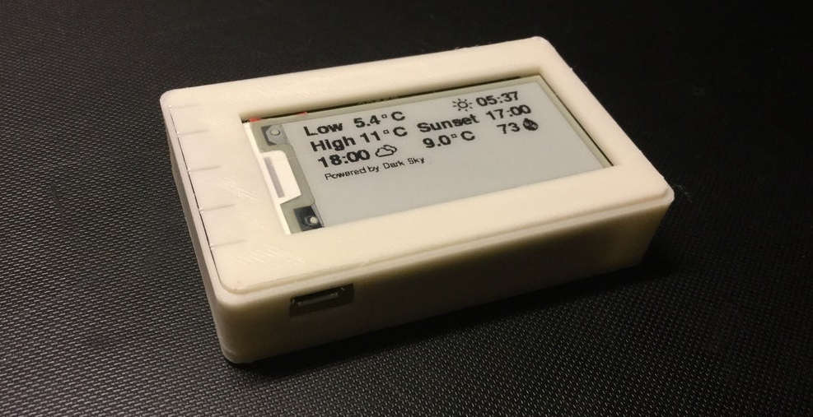
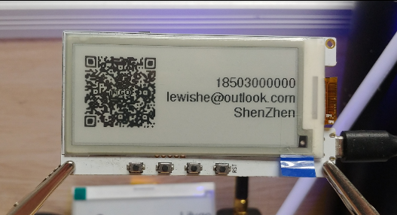
E-label
No | Item | Cost
1 | TTGO T5 V2.3 ESP32 (2.13 Inch) | 290,000.00 ₫
2 | Case | 100,000.00 ₫
 | TOTAL | 390,000.00 ₫

Option 2 - LCD 20x4
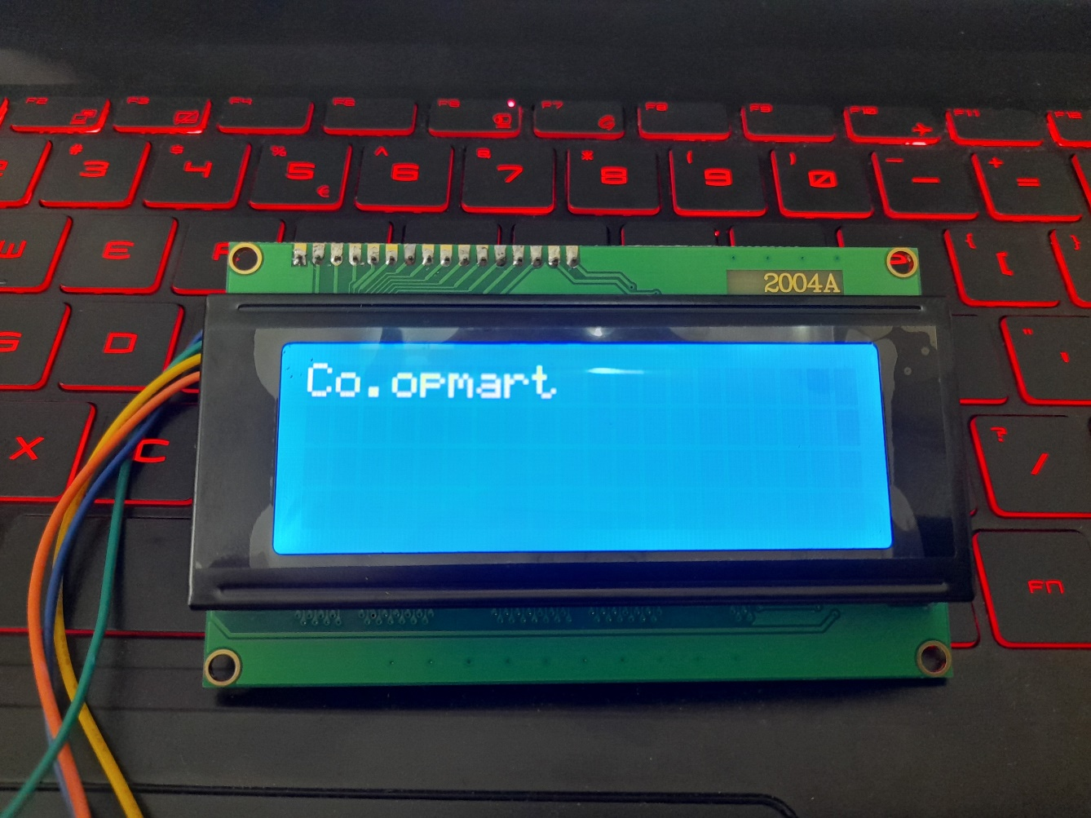
E-label
No | Item | Cost
1 | Mainboard | 250,000.00 ₫
2 | LCD 20x4 | 100,000.00 ₫
3 | Case | 100,000.00 ₫
 | TOTAL | 450,000.00 ₫

